readme
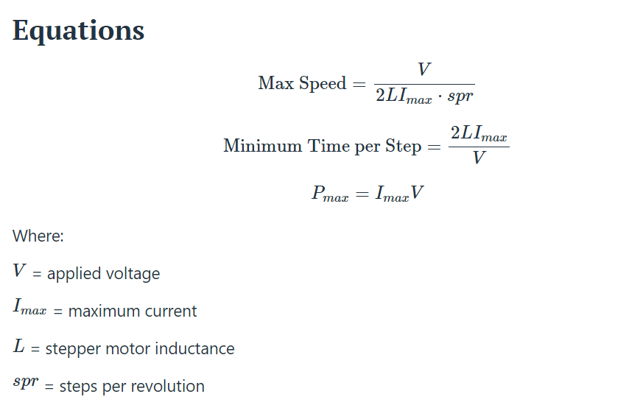
Supplemental equations and links for stepper motor calculations

Here are the equations and spreadsheet from my Log "intro to stepper torque and inductance for 3D printer" in This YouTube video.
I cited a few other calculator links at the end, but there are literally hundreds of additional places to find similar info.

Length moved by 1 pulley turn:
PulleyTurn = teeth x pitch

RPM @ belt speed
RPM = (Speed mm/s / PulleyTurn) x 60

Back-EMF from rotation
SQRT2 x PI x rated-holding-torque x ((MaxRPM/60)/rated-curent)

Back-EMF from inductance
RPM/60) x PI x current x inductance x (rev-steps/2)
Steps/mm = (steps-per-rev x micro steps) / (belt-pitch x teeth)
Or
Steps/mm = = ((360°/Motor-step-size°) * (1/Driver-microstepping))/(Belt-pitch * Tooth-count)

~~~~~~~~~~~~~~~~~~~~~~~~~~~~~~~~~~~~~~~~~~~

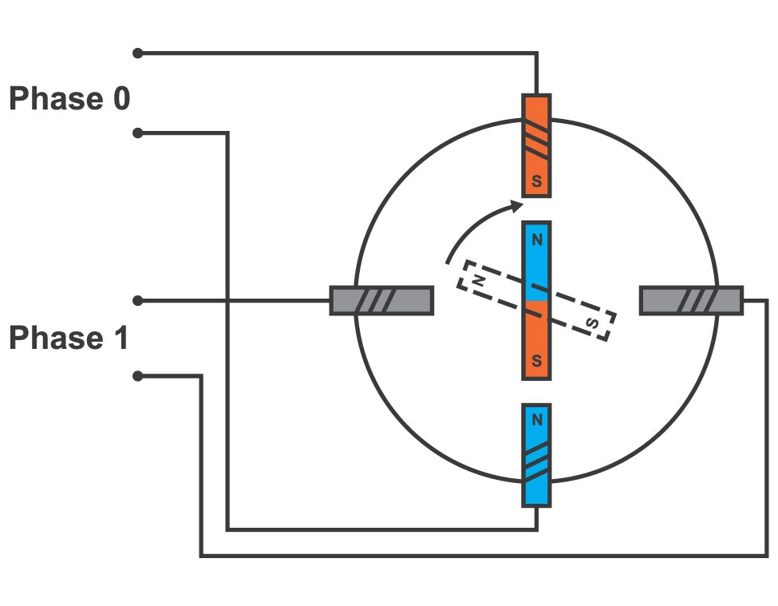
Theoretical max RPM before torque drop-off
MaxRPM = (voltage / (inductance x 2 x current x steps-per-rev)) x 60
Or

~~~~~~~~~~~~~~~~~~~~~~~~~~~~~~~~~~~~~~~~~~~

Notes:
allaboutcircuits.com/tools/stepper-motor-calculator
And
from daycounter.com/Calculators/Stepper-Motor-Calculator.phtml
Current through the coil is proportional to the time that the voltage has been applied, and inversely proportional to the inductance.
I= V*T/L
T= I*L/V
For one step the current must go from 0 to Imax and back to 0, or alternatively from -Imax to +Imax.
I= 2*Imax
T= L*Imax*2/V
T is the number of seconds for a single step.
To compute maximum revolutions per second â€“ divide seconds per step by steps per revolution.
Rev/sec = V/(L*2*Imax)/(steps/rev)
Pmax= 2*Imax*V
Pmax occurs not when the motor is going max speed because the current is a triangle wave. Pmax occurs when the slope of the current is small compared to the on holding time of the step pulse.

